Sheet1
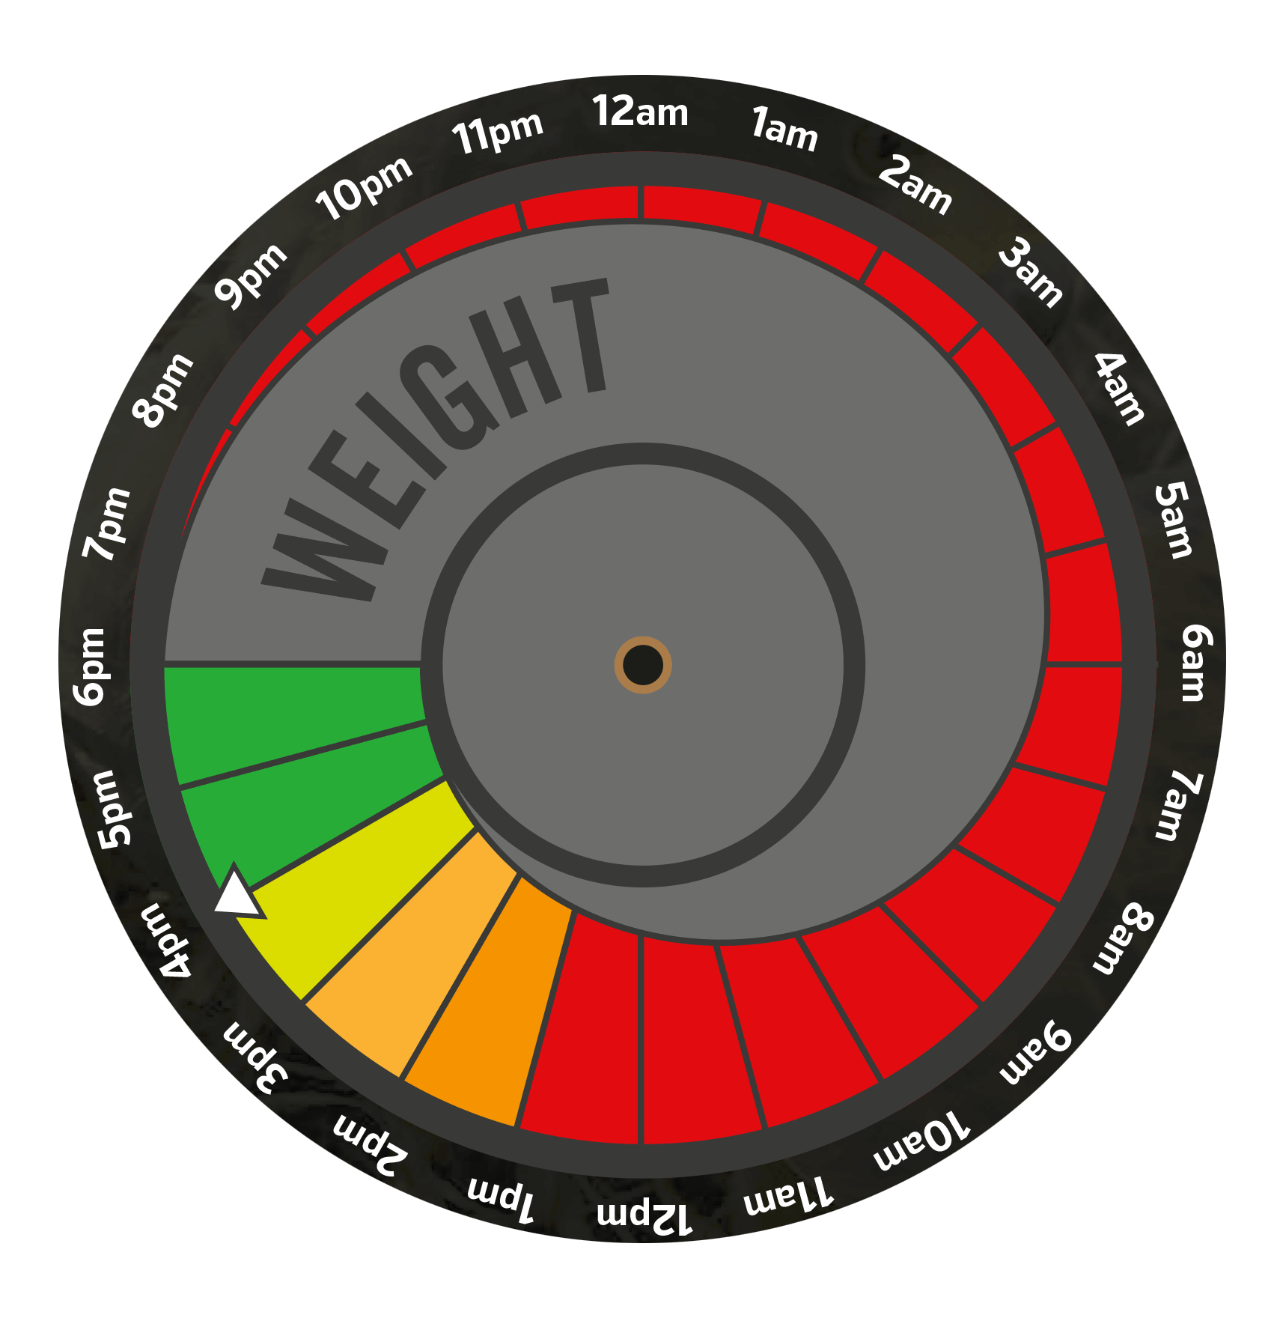
Hunting Kestrel (AMKE) Weight Loss Grams Per Hour (gph)
Hour | Time | Grams Dropped ("gph") | Weight (g)
0 | 6:00PM | 0.0 | 111.0 | (fed-to weight after a hunt)
1 | 7:00PM | 0.4 | 110.6
2 | 8:00PM | 0.4 | 110.2
3 | 9:00PM | 0.4 | 109.8
4 | 10:00PM | 0.4 | 109.4
5 | 11:00PM | 0.4 | 109.0
6 | 12:00PM | 0.4 | 108.6
7 | 1:00AM | 0.4 | 108.2
8 | 2:00AM | 0.4 | 107.8
9 | 3:00AM | 0.4 | 107.4
10 | 4:00AM | 0.4 | 107.0
11 | 5:00AM | 0.4 | 106.6
12 | 6:00AM | 0.6 | 106.0
13 | 7:00AM | 0.6 | 105.4
14 | 8:00AM | 0.6 | 104.8
15 | 9:00AM | 0.6 | 104.2
16 | 10:00AM | 0.6 | 103.6
17 | 11:00AM | 0.6 | 103.0
18 | 12:00PM | 0.6 | 102.4
19 | 1:00PM | 0.6 | 101.8
20 | 2:00PM | 0.6 | 101.2
21 | 3:00PM | 0.5 | 100.7
22 | 4:00PM | 0.5 | 100.2 | (hunting weight at hunting time following day)

Total grams fed |  | 10.8
Average gph lost |  | 0.5

